Shortest Path
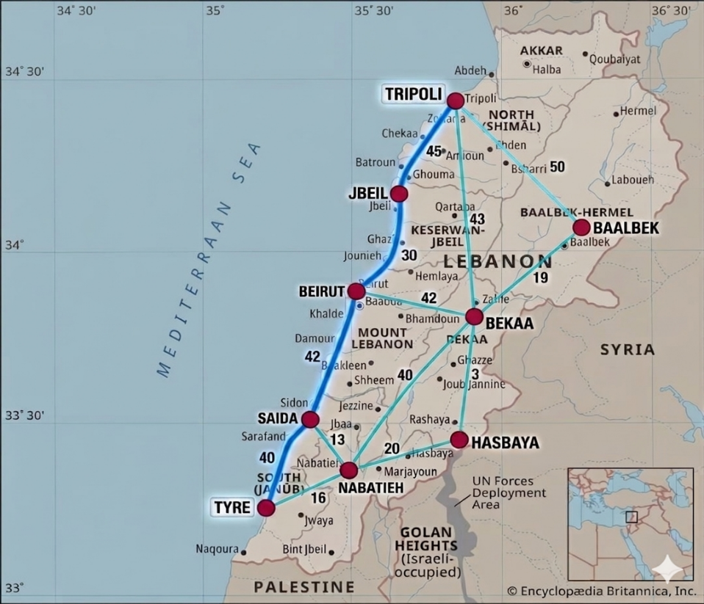
FROM | TO | Distance | GO | Nodes | NetFlow |  | Supply/Demand
Tyre | Saida | 40 | 0 | Tyre | 0 | = | 0
Tyre | Nabatieh | 16 | 0 | Saida | 0 | = | 0
Nabatieh | Tyre | 16 | 0 | Nabatieh | 0 | = | 0
Nabatieh | Saida | 13 | 0 | Hasbaya | 0 | = | 0
Nabatieh | Hasbaya | 20 | 0 | Beirut | 1 | = | 1
Nabatieh | Bekaa | 40 | 0 | Bekaa | 0 | = | 0
Saida | Beirut | 42 | 0 | Jbeil | 0 | = | 0
Saida | Tyre | 40 | 0 | Tripoli | 0 | = | 0
Saida | Nabatieh | 13 | 0 | Baalbek | -1 | = | -1
Hasbaya | Nabatieh | 20 | 0 | Source | Beirut
Hasbaya | Bekaa | 3 | 0 | Sink | Baalbek
Beirut | Saida | 42 | 0
Beirut | Bekaa | 42 | 1
Beirut | Jbeil | 30 | 0
Bekaa | Hasbaya | 3 | 0 |  |  |  |  | Total Distance | 61
Bekaa | Nabatieh | 40 | 0
Bekaa | Beirut | 42 | 0
Bekaa | Tripoli | 43 | 0
Bekaa | Baalbek | 19 | 1
Jbeil | Beirut | 30 | 0
Jbeil | Tripoli | 45 | 0
Baalbek | Tripoli | 50 | 0
Baalbek | Bekaa | 19 | 0
Tripoli | Baalbek | 50 | 0
Tripoli | Bekaa | 43 | 0
Tripoli | Jbeil | 45 | 0

Maximal Flow

From | To | Flow |  | Capacity | Nodes | NetFlow |  | Supply/Demand
Tyre | Saida | 0 | <= | 40 | Tyre | 0 | = | 0
Tyre | Nabatieh | 16 | <= | 16 | Nabatieh | 0 | = | 0
Nabatieh | Tyre | 0 | <= | 16 | Saida | 71 | = | 71
Nabatieh | Saida | 0 | <= | 13 | Hasbay | 0 | = | 0
Nabatieh | Hasbay | 0 | <= | 20 | Beirut | 0 | = | 0
Nabatieh | Bekaa | 29 | <= | 40 | Bekaa | 0 | = | 0
Saida | Tyre | 16 | <= | 40 | Jbeil | 0 | = | 0
Saida | Nabatieh | 13 | <= | 13 | Tripoli | -71 | = | -71
Saida | Beirut | 42 | <= | 42 | Baalbek | 0 | = | 0
Hasbay | Nabatieh | 0 | <= | 20 | Source | Saida
Hasbay | Bekaa | 0 | <= | 3 | Sink | Tripoli
Beirut | Jbeil | 30 | <= | 30
Beirut | Bekaa | 12 | <= | 42
Beirut | Saida | 0 | <= | 42
Bekaa | Hasbay | 0 | <= | 3 |  |  |  |  | Maximal Flow | 71
Bekaa | Nabatieh | 0 | <= | 40
Bekaa | Beirut | 0 | <= | 42
Bekaa | Tripoli | 41 | <= | 43
Bekaa | Baalbek | 0 | <= | 19
Jbeil | Tripoli | 30 | <= | 45
Jbeil | Beirut | 0 | <= | 30
Tripoli | Jbeil | 0 | <= | 45
Tripoli | Bekaa | 0 | <= | 43
Tripoli | Baalbek | 0 | <= | 50
Baalbek | Tripoli | 0 | <= | 50
Baalbek | Bekaa | 0 | <= | 19

